Bug Report
BUG ID | Description/Summary | Module | Severity | Priority | Steps to Reproduce | Expected Result | Actual Result | ScreenShots | ScreenShots2
BUG_001 | The First Name and Last Name fields are accepting inputs where the user types only spaces (like " "), not actual letters. | Signup | High | High | 1. Open application 2. Navigate to Signup page 3. Enter Username = " " 4. Fill other required fields 5. Click Sign Up | System should not allow blank spaces in First Name and Last Name fields and should display validation message | Account is created successfully even when First Name and Last Name contain only blank spaces. | 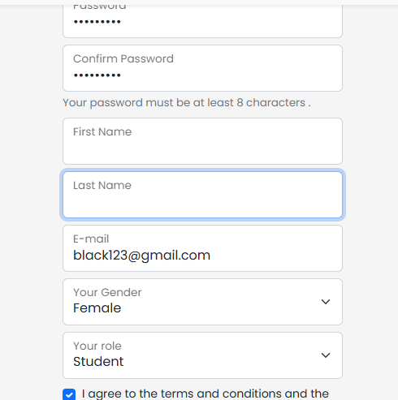 | 
BUG_002 | The Username field allows users to enter only blank spaces and still accepts the input as valid. This results in invalid usernames being submitted and stored. | Signup | High | High | 1. Open application 2. Navigate to Signup page 3. Enter Username = " " 4. Fill other required fields 5. Click Sign Up | System should not allow blank spaces in Username field and should display validation message | Account is created successfully even when Username contains only blank spaces. | 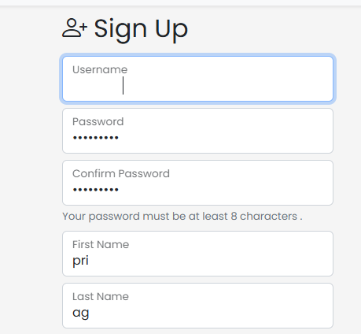
BUG_003 | The Email field incorrectly accepts email addresses that do not include a valid domain extension (e.g., .com, .org). This allows invalid email formats to be submitted and stored. | Signup | Medium | High | Open application 2. Navigate to Signup page 3. Enter email: user@gmail 4. Fill other required fields 5. Click Sign Up | System should reject invalid email format and display validation message | Account is created successfully with invalid email | 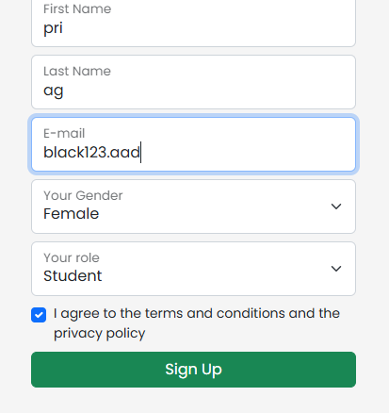
BUG_004 | The system allows users to log in using a username that contains only blank spaces. This means invalid usernames are treated as valid during authentication. | Login | High | High | 1. Open application 2. Navigate to Login page 3. Enter Username as blank spaces 4. Enter valid password 5. Click Login | System should not allow login with username containing only blank spaces and should display validation message | User is able to login successfully using username with only blank spaces | 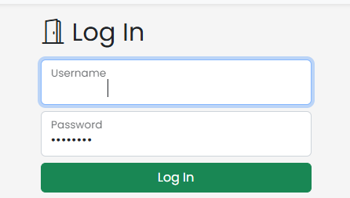 | 
BUG_005 | The system allows users to create an account using a password that contains only blank spaces. This results invalid passwords being accepted. | Signup | High | High | 1. Open application 2. Navigate to Signup page 3. Enter password as blank spaces 4. Enter confirm password as blank spaces 5. Fill other required fields 6. Click Sign Up | System should reject password containing only blank spaces and display validation message | 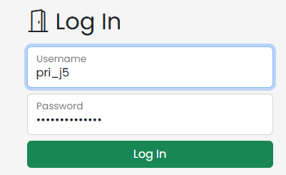 System should reject password containing only blank spaces and display validation message
BUG_006 | The confirmation message displays inconsistent or conflicting information when a user switches between shops. The message does not clearly reflect the current shop context, leading to confusion. | Add to cart | Medium | Medium | 1. Open application 2. Login with valid credentials 3. Go to Shop 1 and add item to cart 4. Navigate to Shop 2 5. Select item and click Add to Cart | System should either ask for user confirmation OR automatically perform the action, not both | Popup asks for confirmation while system automatically performs the action simultaneously | 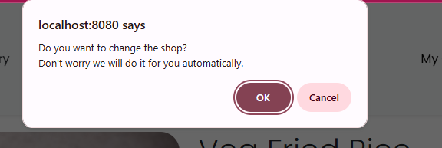
BUG_007 | When switching between shops in the Add to Cart module, the system displays an incorrect or unrelated error message. The message does not correspond to the current action or shop context. | Add to cart | Medium | High | 1. Open application 2. Login with valid credentials 3. Add item from Shop 1 4. Navigate to Shop 2 5. Add another item | System should clear previous cart (if required), add new item successfully, and display correct success message | Previous cart items are removed and new item is added successfully, but system displays incorrect error message "Failed to add item to your cart"
BUG_008 | The system allows payments to be processed even when an invalid transaction ID is provided. This indicates missing or insufficient validation for transaction identifiers. | Payment | High | High | 1. Open application 2. Navigate to Login page 3. Login with valid credentials 4. Add item to cart 5. Navigate to cart 6. Click Proceed with Payment 7. Enter invalid transaction ID (e.g., 123456789103) 8. Click Submit | System should not accept invalid transaction ID and should display an error message | System accepts invalid transaction ID and payment is processed successfully | 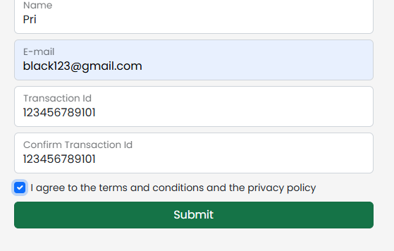 | 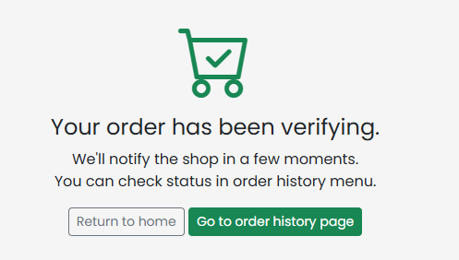
BUG_009 | The system allows transaction IDs containing alphabetic and special characters, even though the field is expected to accept only numeric (or specific valid) formats. This results in invalid transaction data being processed. | Payment | High | High | 1. Open application 2. Navigate to Login page 3. Login with valid credentials 4. Add item to cart 5. Navigate to cart 6. Click Proceed with Payment 7. Enter transaction ID containing alphabets and special characters (e.g., abc@123 45) 8. Click Submit | System should reject transaction ID containing alphabetic, special characters, or spaces and display validation error | System accepts invalid transaction ID and processes payment successfully | 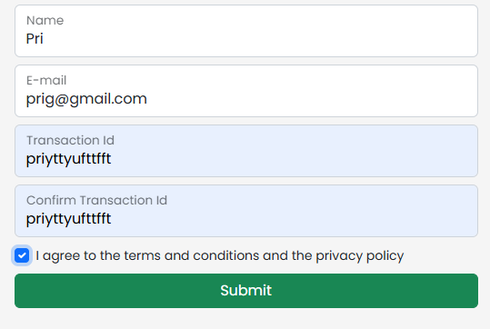
BUG_010 | The system permits users to set a new password that is the same as their previously used password during a password update. This bypasses expected password reuse restrictions. | Update Password | High | High | 1. Open application 2. Navigate to Login page 3. Login with valid credentials 4. Navigate to Change Password page 5. Enter old password 6. Enter same value in new password and confirm password 7. Click Update Password | System should prevent reuse of old password and display an error message | System allows updating password using the same old password without any validation error | 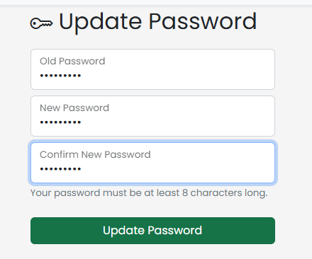 | 
BUG_011 | The system allows users to update profile fields with values containing only blank spaces. These inputs are treated as valid, resulting in empty or meaningless data being stored. | Update Profile | Medium | High | 1. Open application 2. Navigate to Login page 3. Login with valid credentials 4. Navigate to Update Profile page 5. Enter First Name and Last Name as blank spaces 6. Click Update Profile | System should not allow blank spaces in profile fields and should display validation message | System accepts blank spaces and profile is updated successfully | 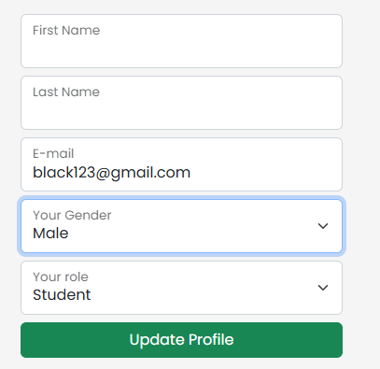 | 

